Print Page 1
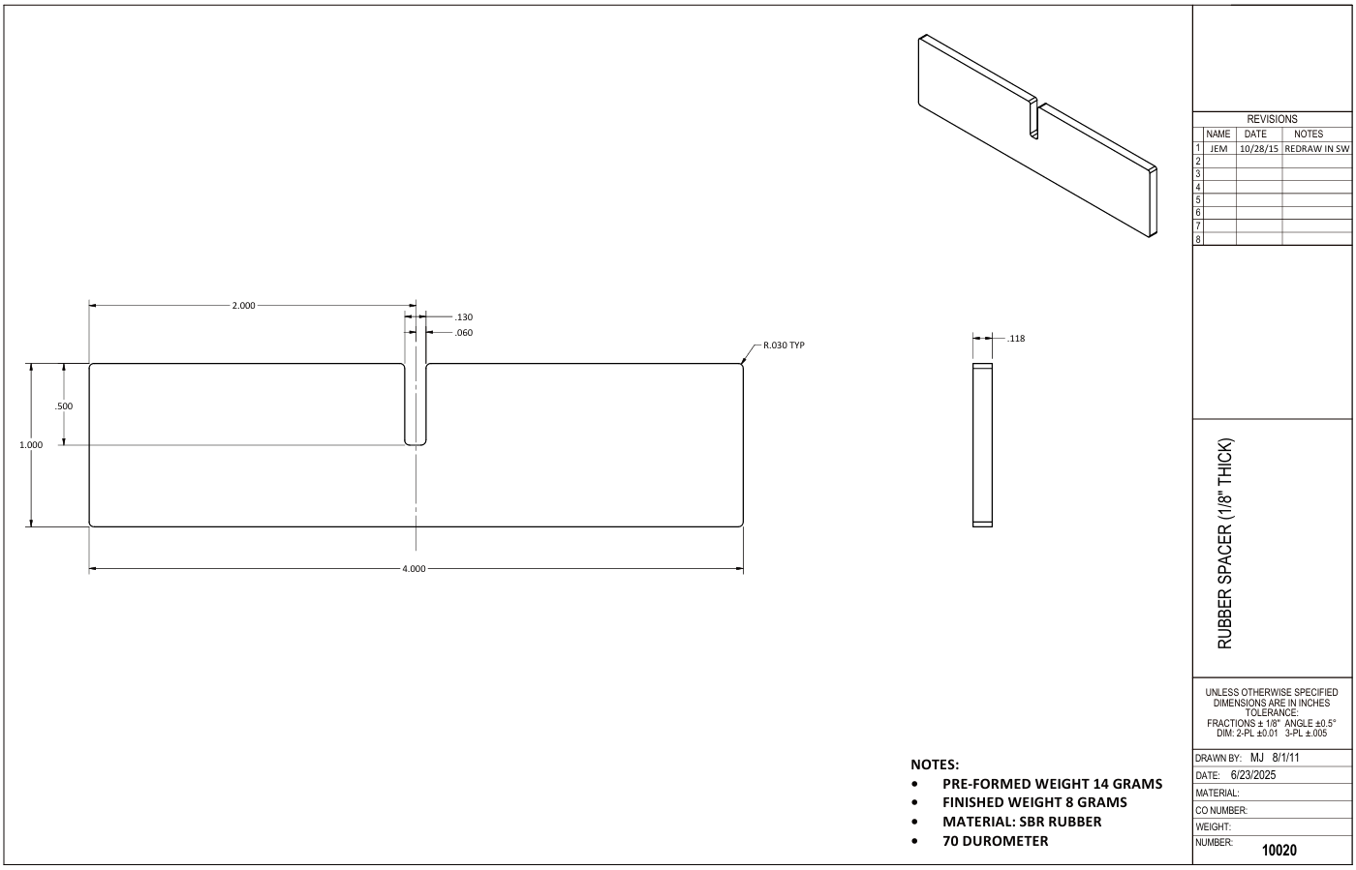

7
5

2
1
8
6

4

3

9

Tolerance Table
